Schedule
Von Bremerhaven bis an die Copacabana
AMR128 | 29 Tage | 13.01.2025 - 11.02.2025
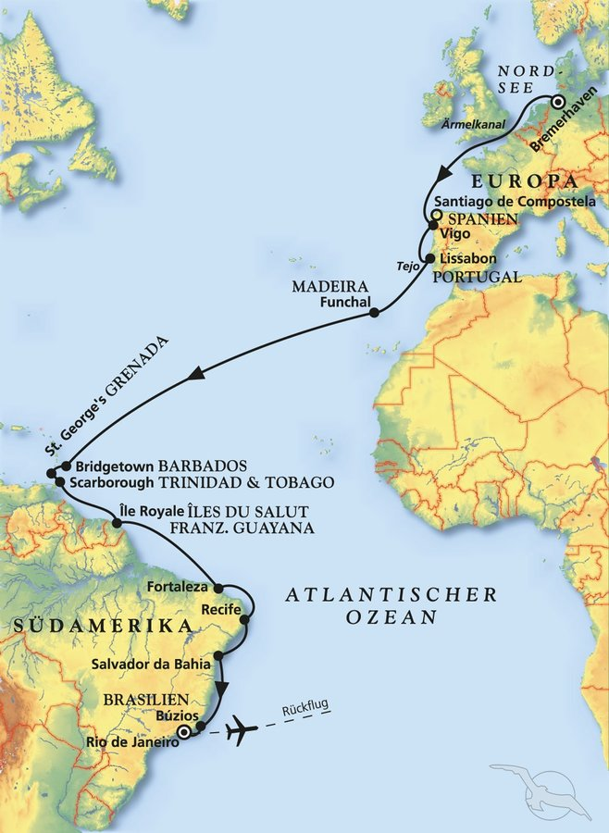
D | Date | Day | A/B/C | STA | STD | Port | Port Code
1 | 13-Jan-25 | 2025-01-13 | B | 9:00:00 | 18:00:00 | BREMERHAVEN | DEBRV
2 | 14-Jan-25 | 2025-01-14 | C | - | - | At sea | -
3 | 15-Jan-25 | 2025-01-15 | C | - | - | At sea | -
4 | 16-Jan-25 | 2025-01-16 | C | - | - | At sea | -
5 | 17-Jan-25 | 2025-01-17 | B | 8:00:00 | 13:30:00 | Vigo | ESVGO
6 | 18-Jan-25 | 2025-01-18 | B | 9:00:00 | 18:00:00 | Lisbon | PTLIS
7 | 19-Jan-25 | 2025-01-19 | C | - | - | At sea | -
8 | 20-Jan-25 | 2025-01-20 | B | 8:30:00 | 17:30:00 | Funchal, Madeira | PTFNC
9 | 21-Jan-25 | 2025-01-21 | C | - | - | At sea | -
10 | 22-Jan-25 | 2025-01-22 | C | - | - | At sea | -
11 | 23-Jan-25 | 2025-01-23 | C | - | - | At sea | -
12 | 24-Jan-25 | 2025-01-24 | C | - | - | At sea | -
13 | 25-Jan-25 | 2025-01-25 | C | - | - | At sea | -
14 | 26-Jan-25 | 2025-01-26 | C | - | - | At sea | -
15 | 27-Jan-25 | 2025-01-27 | B | 13:00:00 | 20:00:00 | Bridgetown | BBBGI
16 | 28-Jan-25 | 2025-01-28 | B | 8:00:00 | 20:00:00 | St. George's | GDSTG | RQ 08:00-18:30
17 | 29-Jan-25 | 2025-01-29 | B | 8:00:00 | 17:00:00 | Scarborough | TTSCA
18 | 30-Jan-25 | 2025-01-30 | C | - | - | At sea | -
19 | 31-Jan-25 | 2025-01-31 | A | 11:00:00 | 17:00:00 | Iles du Salut | GF*** | RQ 11:30-18:00
20 | 1-Feb-25 | 2025-02-01 | C | - | - | At sea | -
21 | 2-Feb-25 | 2025-02-02 | C | - | - | At sea | -
22 | 3-Feb-25 | 2025-02-03 | B | 12:00:00 | 22:00:00 | Fortaleza | BRFOR
23 | 4-Feb-25 | 2025-02-04 | C |  |  | At sea | -
24 | 5-Feb-25 | 2025-02-05 | B | 8:00:00 | 23:00:00 | Recife | BRREC
25 | 6-Feb-25 | 2025-02-06 | C | - | - | At sea | -
26 | 7-Feb-25 | 2025-02-07 | B | 8:00:00 | 18:00:00 | Salvador Bahia | BRSSA
27 | 8-Feb-25 | 2025-02-08 | C | - | - | At sea | -
28 | 9-Feb-25 | 2025-02-09 | A | 14:00:00 | 22:00:00 | Buzios | BRBZC
29 | 10-Feb-25 | 2025-02-10 | B | 8:00:00 | - | Rio de Janeiro | BRRIO
1 | 11-Feb-25 | 2025-02-11 | B | - | - | RIO DE JANEIRO | BRRIO

